Data Dictionary
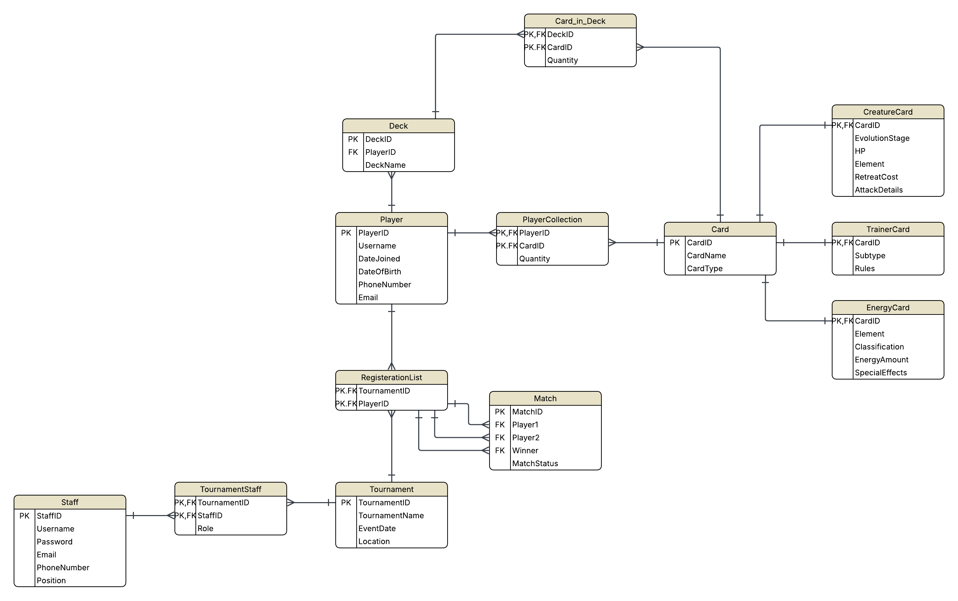
Field Name | Data Type | Field Size | Key Type | Description | Constraints
PlayerID
Username
DateJoined
DateOfBirth
PhoneNumber
Email
TournamentsEntered
MatchesPlayed
MatchesWon
Cards

PlayerID
CardID
Quantity

CardID
CardName
CardType

